Test log
Test # | Input data | Actual outcome | Comments | Screenshots
1 | N/A | 9 pumps are displayed | All OK. Code would throw exception as it loops through nine time - if there were not 9 pumps problems would occur
2 | N/A | the application was run for 1 minute in which 40 vehicle were added to the queue. (See the vehicle ID and application run time in the screen shot). So we can prove that if 40 vehicle are created in 60 seconds then a vehicle is created every 1.5 seconds | All OK.
3 | N/A | All the data was present | All OK
4 |  | the numbers tally | All OK
5 |  | the screen refresh 30 times in a 1 minute period (including the first time the output is played | All OK. Wow this application stopwathc is becoming really useful
6 |  | The application stopped when escape was pressed | All OK. See small question mark at bottom left of screenshoot
7 |  | in the screenshots we see that vehicles are assigned to pumps whch are free then busy then free again | OK. See screenshot | 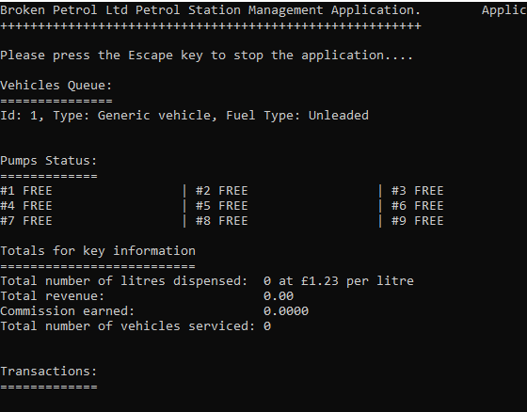 | 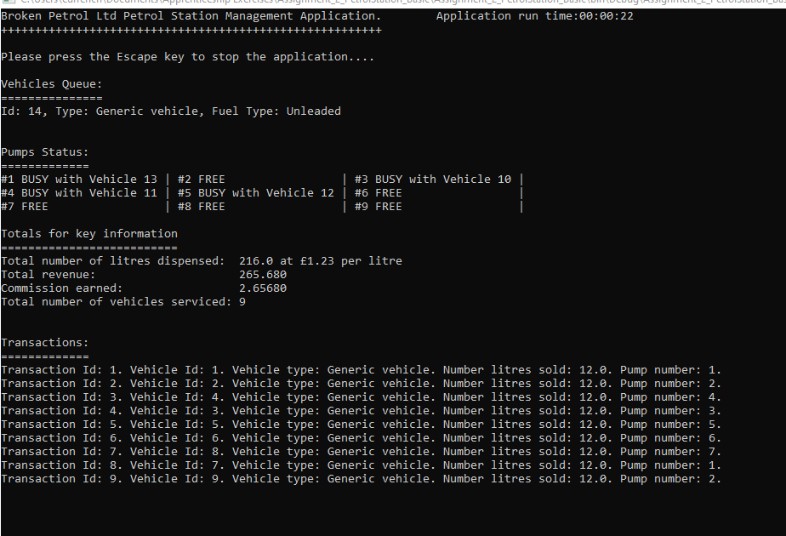
8 |  | In the screenshots for test # 7 we can see that vehicle Id 1 has was assinged to pump #1 was fuelled and left the pump which is current occupied by vehicle 13 | All OK
9 |  | All the correct fields are seen in the screenshot | All OK.
10 |  | From the screenshot we cam see that the total displensed read 96 litres. If we sum the number of litres in all the transactions we get the same figure | All OK | 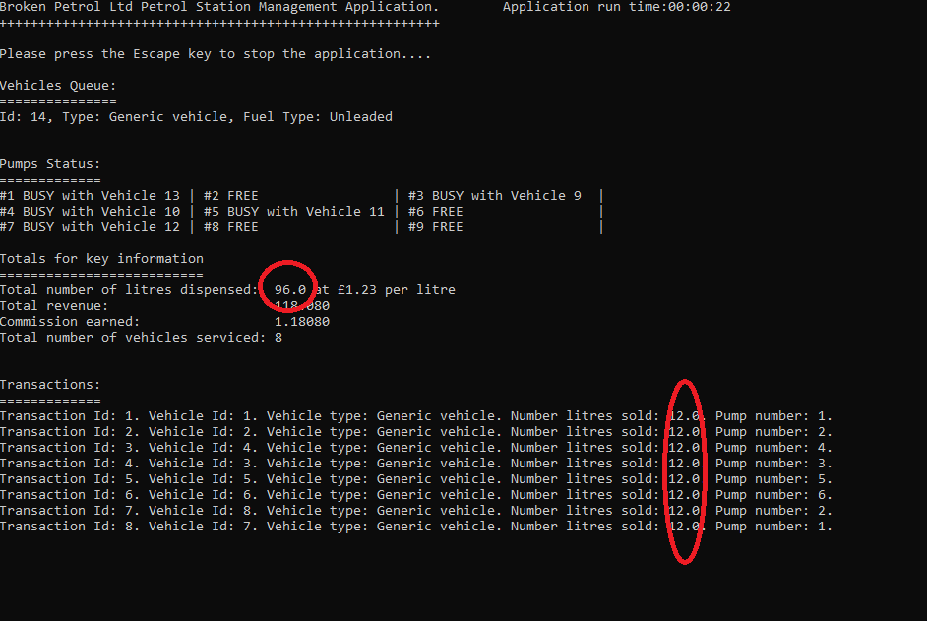
11 |  | In the screen shot we can see that if we multiply the total litre sold (576) by the cost per litre (£1.23) we get the correct figure for the total revenue displayed | All OK
12 |  | The correct commision is displayed at 1% | All OK
13 |  | The total for number of vehicles serviced equals the number of transaction recorded | All OK
14 |  | We can see in the screeshot that the first vehicle id is 1 which has been assigned to a pump. Vehicle # 2 is still in the queue | All OK | 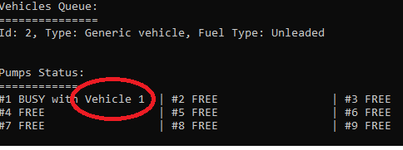
15 |  | See the screenshot for test #13 to see a sequential increase in transaction IDs
16 |  | See the screenshot for test #13 to see that the amount of fuel sold it consistent

